Jan
JANUARY 2026
Sunday | Monday |  | Tuesday | Wednesday | Thursday |  | Friday |  | Saturday
 |  |  |  |  | 2026-01-01 | New Year's Day | 2026-01-02 |  | 2026-01-03

2026-01-04 | 2026-01-05 |  | 2026-01-06 | 2026-01-07 | 2026-01-08 |  | 2026-01-09 |  | 2026-01-10

2026-01-11 | 2026-01-12 |  | 2026-01-13 | 2026-01-14 | 2026-01-15 |  | 2026-01-16 |  | 2026-01-17

2026-01-18 | 2026-01-19 | ML King Day | 2026-01-20 | 2026-01-21 | 2026-01-22 |  | 2026-01-23 |  | 2026-01-24
 |  |  |  |  |  |  | BPOC Orientation
 |  |  |  |  |  |  | 4 hours

 |  |  |  |  |  |  | Davila, Dacosta
2026-01-25 | 2026-01-26 |  | 2026-01-27 | 2026-01-28 | 2026-01-29 |  | 2026-01-30 |  | 2026-01-31
 | 1. Professionlism 8 hrs |  | 1.Professionalism 4hrs | 2. Pro Policing 8hrs | Exam Ch1 (1hr) |  | 3.Fitness,Well 7hrs
 |  |  | 2. Pro Policing 4hrs |  | 3.Fitness,Well 7hrs

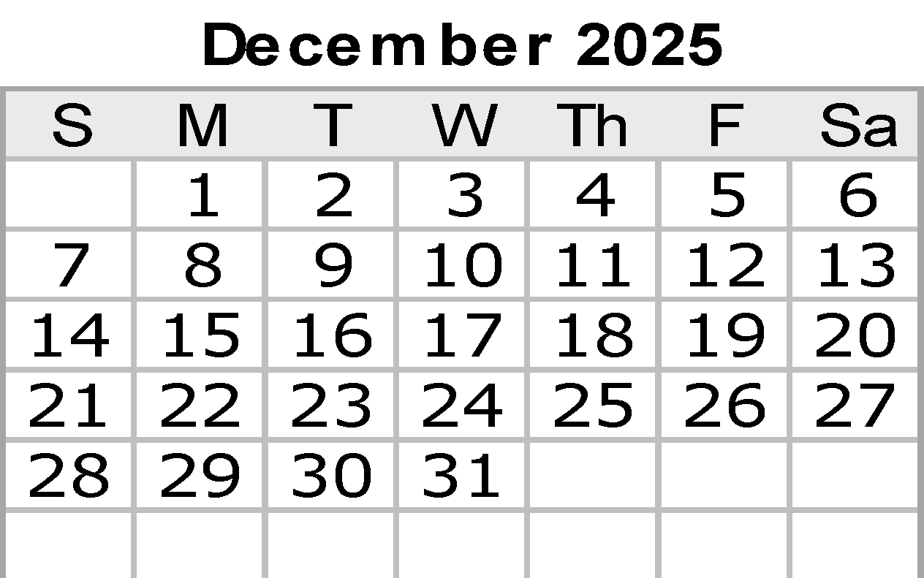
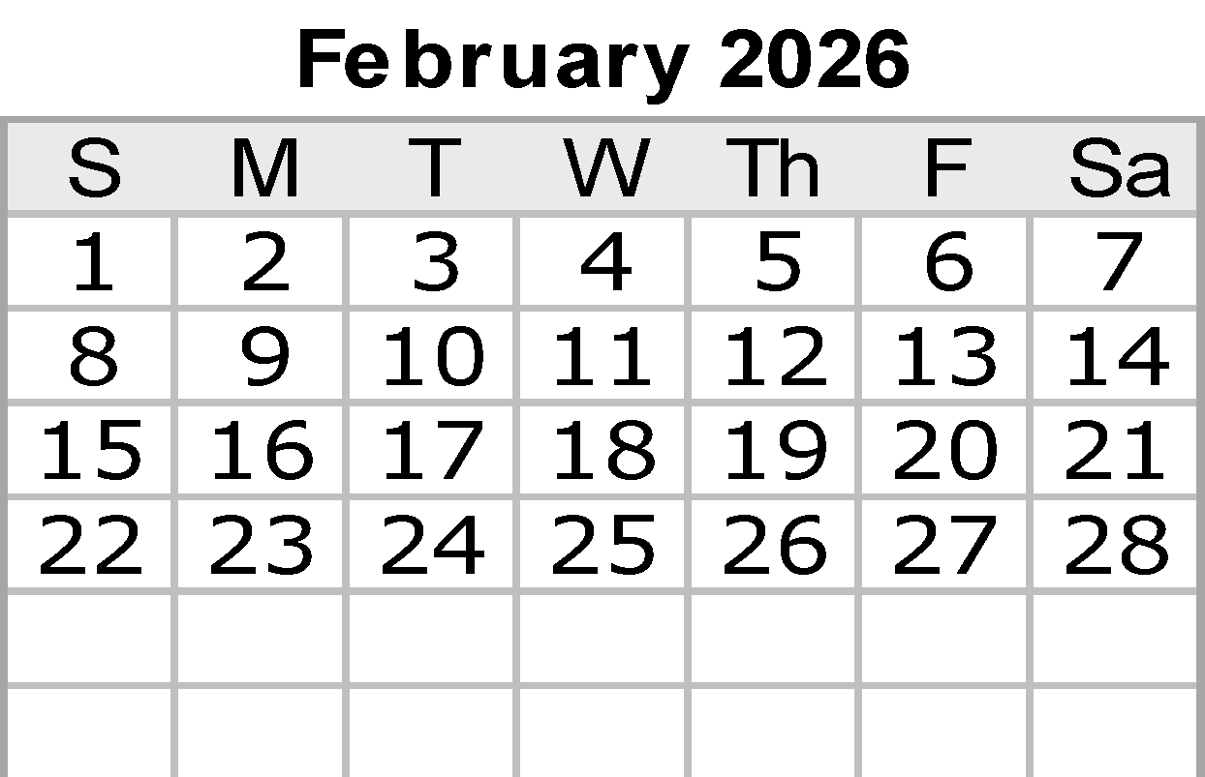
 |  |  |  |  |  |  | PT 1hr
 | 1,Davila |  | 1-2 Davila | 2-3 Davila | 3, Davila |  | 3, Davila
 |  |  |  |  |  |  | Notes:
 |  |  |  |  |  |  |  | Unless Noted Otherwise
 |  |  |  |  |  |  |  | Classes are M-F 8 A.M. to 5 P.M.

 |  |  |  |  |  |  |  |  | © 2022 Vertex42 LLC
 |  |  |  |  |  | {42} | Calendar Template by Vertex42.com
 | https://www.vertex42.com/ExcelTemplates/excel-calendar-template.html

Feb
FEBRUARY 2026
Sunday | Monday |  | Tuesday | Wednesday | Thursday |  | Friday | Saturday
2026-02-01 | 2026-02-02 |  | 2026-02-03 | 2026-02-04 | 2026-02-05 |  | 2026-02-06 | 2026-02-07
 | 3.Fitness,Well 2hrs |  | 5.Multiculturalism 7hrs | 6.Racial profiling 4 hrs | 7.Tex Constitution 7hrs |  | 8.Penal code 7hrs
 | 4.Tcole Rules 4hrs |  |  | 7.Tex Constitution 3hrs | 8.Penal code 7hrs
 | 5.Multiculturalism 1hrs
 | PT 1hr |  | Exam 2-3 1hr | PT 1hr | Exam 4 1hr |  | PT 1hr
 | Dacosta |  | Davila | Dacosta | Dacosta |  | Dacosta
2026-02-08 | 2026-02-09 |  | 2026-02-10 | 2026-02-11 | 2026-02-12 |  | 2026-02-13 | 2026-02-14 | Valentine's Day
 | 8.Penal code 7hrs |  | 8.Penal code 6hrs | 8.Penal code 7hrs | 8.Penal code 7hrs |  | 8.Penal code 7hrs

 | PT 1hr |  | Exam 5-6 2hrs | PT 1hr | Exam 7 1hr |  | PT 1hr
 | Davila |  | Davila | Dacosta | Dacosta |  | Dacosta
2026-02-15 | 2026-02-16 | Presidents' Day | 2026-02-17 | 2026-02-18 | 2026-02-19 |  | 2026-02-20 | 2026-02-21
 |  |  | 8.Penal code 2hrs | 9.CCP 6hrs | 10. Arrest,S.S 8hrs |  | 10. Arrest,S.S 7hrs
 |  |  | 9.CCP 6hrs | 10. Arrest,S.S 1hrs

 |  |  |  | PT 1hr |  |  | PT 1hr
 |  |  | Davila | Davila | Dacosta |  | Davila
2026-02-22 | 2026-02-23 |  | 2026-02-24 | 2026-02-25 | 2026-02-26 |  | 2026-02-27 | 2026-02-28
 | 10. Arrest,S.S 7hrs |  | 10. Arrest,S.S 6hrs | 10. Arrest,S.S 7hrs | 10. Arrest,S.S 4hrs |  | 11. Asset 1hrs
 |  |  |  |  | 11. Asset 3hrs |  | 12. Identity 4hrs
 |  |  |  |  |  |  | 13 Consular 1hr
 | PT 1hr |  | Exam 8 2hr | PT 1hr | Exam 9 1hr |  | PT 2hr
 | Dacosta |  | Davila | Dacosta | Dacosta |  | Davila

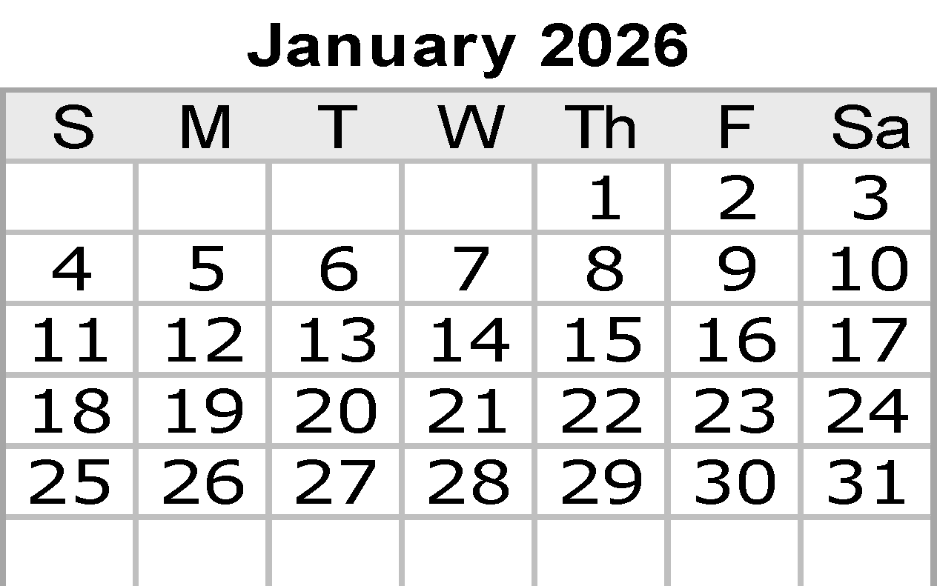
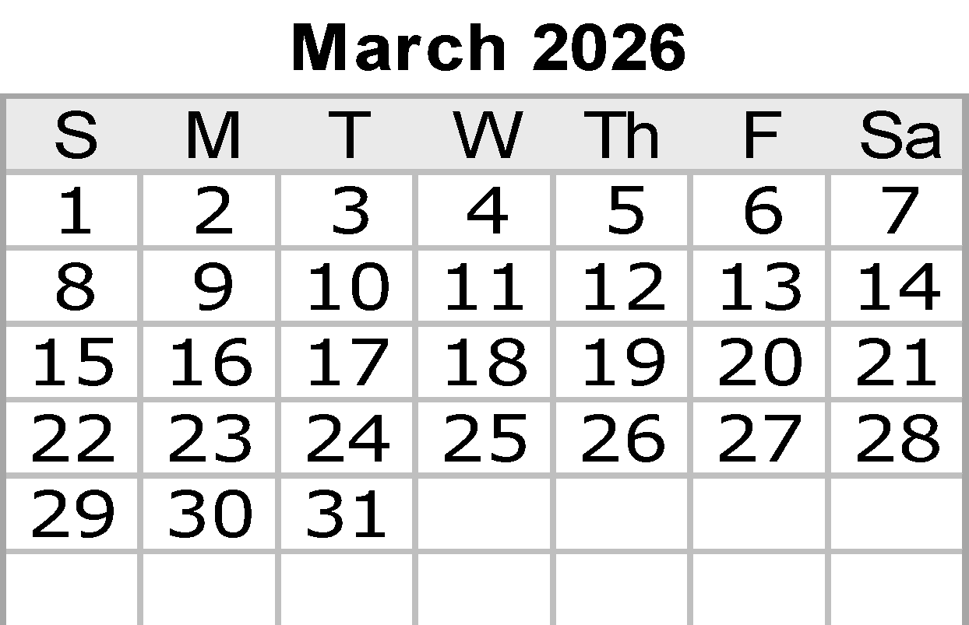
 |  |  |  |  |  |  | Notes:

 |  |  |  |  |  |  |  | © 2022 Vertex42 LLC
 |  |  |  |  |  | {42} | Calendar Template by Vertex42.com
 | https://www.vertex42.com/ExcelTemplates/excel-calendar-template.html

Mar
MARCH 2026
Sunday | Monday | Tuesday | Wednesday | Thursday |  | Friday | Saturday
2026-03-01 | 2026-03-02 | 2026-03-03 | 2026-03-04 | 2026-03-05 |  | 2026-03-06 | 2026-03-07
 | 14. Civil Process 4hrs | 15.Health/Safety 8hrs | 15.Health/Safety 1hrs | 17.SAFV 7hrs |  | 17.SAFV 3hrs
 | 15.Health/Safety 3hrs |  | 16. ABC 4hrs |  |  | 18.Missing Expl 4hrs
 |  |  | 17.SAFV 2hrs
 | PT 1hr |  | PT 1hr | Exam 10 1hr |  | PT 1hr
 | Dacosta | Davila | Dacosta | Davila |  | Davila
2026-03-08 | 2026-03-09 | 2026-03-10 | 2026-03-11 | 2026-03-12 |  | 2026-03-13 | 2026-03-14
 | 18.Missing Expl 4hrs | 20.Victims of cr 7hrs | 20.Victims of cr 1hrs | 22. Traffic Code 7hrs |  | Mid Term 1-13 3 hours
 | 19.CSCAL 1hr |  | 21. Human traff 4hrs |  |  | 22. Traffic Code 4hrs
 | 20.Victims of cr 2hrs |  | 22. Traffic Code 2hrs
 | PT 1hr | Exam 11-12 1hr | PT 1hr | Exam 13-14 1hr |  | PT 1hr
 | Dacosta | Dacosta | Dacosta | Davila |  | Davila
2026-03-15 | 2026-03-16 | 2026-03-17 | 2026-03-18 | 2026-03-19 |  | 2026-03-20 | 2026-03-21
 | 22. Traffic Code 7hrs | 22. Traffic Code 7hrs | 22. Traffic Code 7hrs | 22. Traffic Code 6hrs |  | 22. Traffic Code 7hrs

 | PT 1hr | Exam 15 1hr | PT 1hr | Exam 16-17 2hr |  | PT 1hr
 | Davila | Dacosta | Davila | Dacosta |  | Davila
2026-03-22 | 2026-03-23 | 2026-03-24 | 2026-03-25 | 2026-03-26 |  | 2026-03-27 | 2026-03-28
 | 22. Traffic Code 7hrs | 22. Traffic Code 7hrs | 22. Traffic Code 7hrs | 22. Traffic Code 6hrs |  | 23.Intoxicated Dr 8hrs
 |  |  | TIMS | TIMS

 | PT 1hr | Exam 18-19 1hr | PT 1hr | Exam 20-21 2hr |  | PT 1hr
 | Dacosta | Davila | Dacosta | Davila |  | Salinas
2026-03-29 | 2026-03-30 | 2026-03-31
 | 23.Intoxicated Dr 8hrs | 23.Intoxicated Dr 8hrs
 |  | Exam 23 within lesson

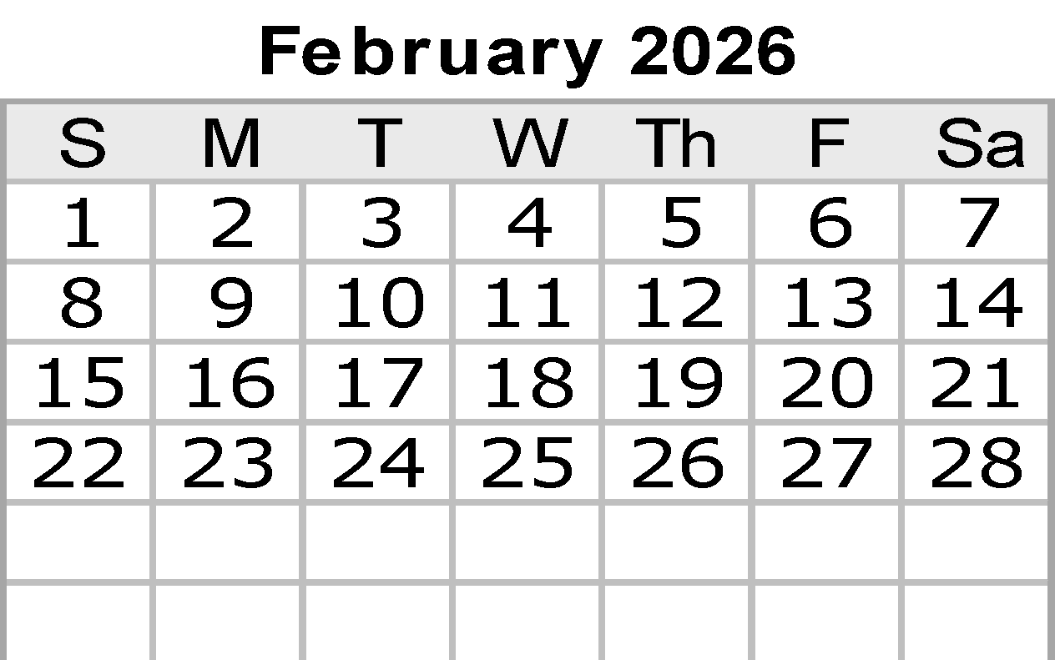
 | PT 1hr | Exam 20 1hr
 | Salinas | Salinas
 |  |  |  |  |  | Notes:

 |  |  |  |  |  |  | © 2022 Vertex42 LLC
 |  |  |  |  | {42} | Calendar Template by Vertex42.com
 | https://www.vertex42.com/ExcelTemplates/excel-calendar-template.html

Apr
APRIL 2026
Sunday |  | Monday | Tuesday | Wednesday | Thursday |  | Friday |  | Saturday
 |  |  |  | 2026-04-01 | 2026-04-02 |  | 2026-04-03 | Good Friday | 2026-04-04
 |  |  |  | 24.Written Comm 7hrs | 24.Written Comm 8hrs

 |  |  |  | PT 1hr
 |  |  |  | Davila | Dacosta
2026-04-05 | Easter | 2026-04-06 | 2026-04-07 | 2026-04-08 | 2026-04-09 |  | 2026-04-10 |  | 2026-04-11
 |  | 24.Written Comm 1hrs | 25. Verbal Comm 6hrs | 25. Verbal Comm 4hrs | 26. Spanish 8hrs |  | 26. Spanish 5hrs
 |  | 25. Verbal Comm 6hrs |  | 26. Spanish 3hrs |  |  | Spanish Test out 1hr

 |  | PT 1hrs | Exam 22 2hrs | PT 1hr |  |  | PT 2hr
 |  | Dacosta | Dacosta
2026-04-12 |  | 2026-04-13 | 2026-04-14 | 2026-04-15 | 2026-04-16 |  | 2026-04-17 |  | 2026-04-18
 |  | 27. De-escalation 7hrs | 27. De-escalation 1hrs | 28.Force Options 7hrs | 28.Force Options 7hrs |  | 28.Force Options 7hrs

 |  | PT 1hr | Exam 24 1hr | PT 1hr | Exam 25 1hr |  | PT 1hr
 |  | Davila | Davila | Davila | Davila |  | Davila
2026-04-19 |  | 2026-04-20 | 2026-04-21 | 2026-04-22 | 2026-04-23 |  | 2026-04-24 |  | 2026-04-25
 |  | 28.Force Options 7hrs | 29. CIT 8hrs | 29. CIT 7hrs | 29. CIT 7hrs |  | 29. CIT 7hrs

 |  |  |  |  |  |  | PT 1hr
 |  | PT 1hr |  | PT 1hr | Exam 27 1hr
 |  | Dacosta | CIT Team | CIT Team | CIT Team |  | CIT Team
2026-04-26 |  | 2026-04-27 | 2026-04-28 | 2026-04-29 | 2026-04-30
 |  | 29. CIT 7hrs | 29. CIT 4hrs | 31.Arrest/Control 8hrs | 31.Arrest/Control 8hrs
 |  |  | 30.TBI 2 hrs
 |  |  | Study 1hr
 |  | PT 1hr | Exam 27 1hr
 |  | CIT Team | CIT Team | Davila | Davila
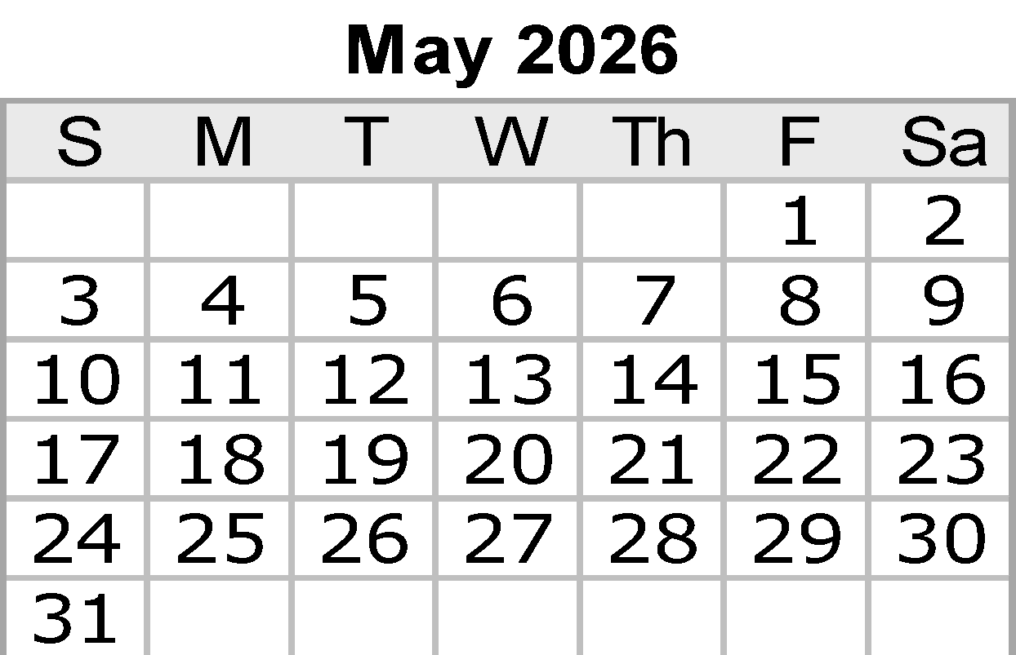
 |  |  |  |  |  |  | Notes:

 |  |  |  |  |  |  |  |  | © 2022 Vertex42 LLC
 |  |  |  |  |  | {42} | Calendar Template by Vertex42.com
 |  | https://www.vertex42.com/ExcelTemplates/excel-calendar-template.html

Jun
JUNE 2026
Sunday |  | Monday | Tuesday | Wednesday | Thursday |  | Friday |  | Saturday
 |  | 2026-06-01 | 2026-06-02 | 2026-06-03 | 2026-06-04 |  | 2026-06-05 |  | 2026-06-06
 |  | 35.Patrol skills 8hrs | 35.Patrol skills 8hrs | 36.Radio Comms 8hrs | 36.Radio Comms 8hrs |  | 37.CITP 2hrs
 |  |  |  |  |  |  | 38.IDHH 4hrs

 |  |  |  |  | Exam 36 within lesson |  | PT 2hr
 |  | Davila | Dacosta | Davila | Daisy Ramirez |  | Davila
2026-06-07 |  | 2026-06-08 | 2026-06-09 | 2026-06-10 | 2026-06-11 |  | 2026-06-12 |  | 2026-06-13
 |  | 39. K9 Encounter 4hrs | 40.EMA 8hrs | 40.EMA 8hrs | 41.Firearms 8hrs |  | 41.Firearms 8hrs |  | 41.Firearms 8hrs

 |  | Exam 35 2hr
 |  | PT 2hr |  | Exam 40 within lesson
 |  |  | Mission Fire | Mission Fire | Chapa/Davila/Dacosta |  | Chapa/Davila/Dacosta |  | Chapa/Davila/Dacosta
2026-06-14 | Flag Day | 2026-06-15 | 2026-06-16 | 2026-06-17 | 2026-06-18 |  | 2026-06-19 | Juneteenth | 2026-06-20
 |  | 41.Firearms 8hrs | 41.Firearms 8hrs | 41.Firearms 8hrs | 43.Alerrt level 1 8hrs |  | 43.Alerrt level 1 8hrs

 |  | Chapa/Davila/Dacosta | Chapa/Davila/Dacosta | Chapa/Davila/Dacosta | Davila/Dacosta |  | Davila/Dacosta
2026-06-21 | Father's Day | 2026-06-22 | 2026-06-23 | 2026-06-24 | 2026-06-25 |  | 2026-06-26 |  | 2026-06-27
June Solstice (GMT) |  | Taser 8hrs | Baton 8hrs | Radar/Lidar 8hrs | OC 8hrs |  | BWC 4hrs
 |  |  |  |  |  |  | End of course review
 |  |  |  |  |  |  | 2hrs

 |  | Dacosta | Rolando Perez | Abraham Sanchez | Longoria |  | Davila
2026-06-28 |  | 2026-06-29 | 2026-06-30
 |  | Study in class | Study in class

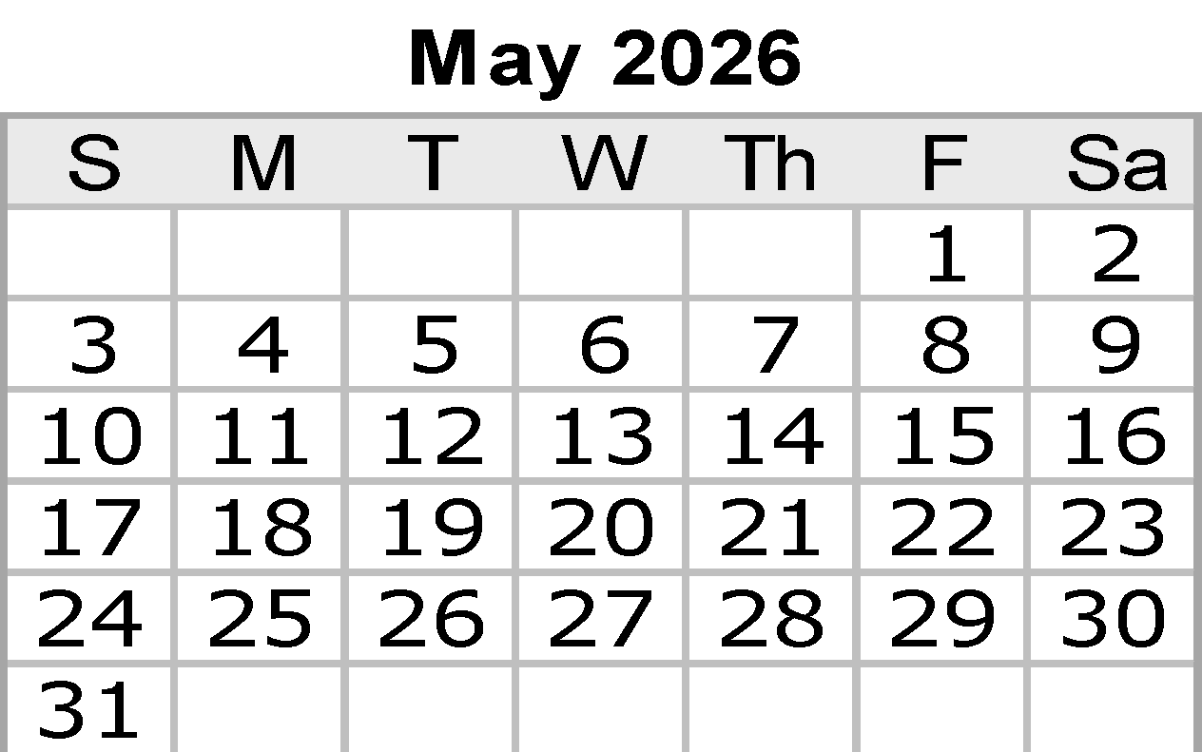
 |  |  |  |  |  |  | Notes:

 |  |  |  |  |  |  |  |  | © 2022 Vertex42 LLC
 |  |  |  |  |  | {42} | Calendar Template by Vertex42.com
 |  | https://www.vertex42.com/ExcelTemplates/excel-calendar-template.html

Jul
JULY 2026
Sunday |  | Monday | Tuesday | Wednesday | Thursday |  | Friday | Saturday
 |  |  |  | 2026-07-01 | 2026-07-02 |  | 2026-07-03 | 2026-07-04 | Independence Day
 |  |  |  | Study in class | Final Exam 3 hrs |  | Final Exam Retest 3hrs
 |  |  |  |  | Study for tcole 5hrs |  | Study for tcole 5hrs
 |  |  |  |  | in class |  | in class

2026-07-05 |  | 2026-07-06 | 2026-07-07 | 2026-07-08 | 2026-07-09 |  | 2026-07-10 | 2026-07-11
 |  | Study for tcole | Study for tcole | Study for tcole | Study for tcole |  | Study for tcole
 |  | in class | in class | in class | in class |  | in class

2026-07-12 |  | 2026-07-13 | 2026-07-14 | 2026-07-15 | 2026-07-16 |  | 2026-07-17 | 2026-07-18
...
 | Parents' Day | 2026-07-27 | 2026-07-28 | 2026-07-29 | 2026-07-30 |  | 2026-07-31

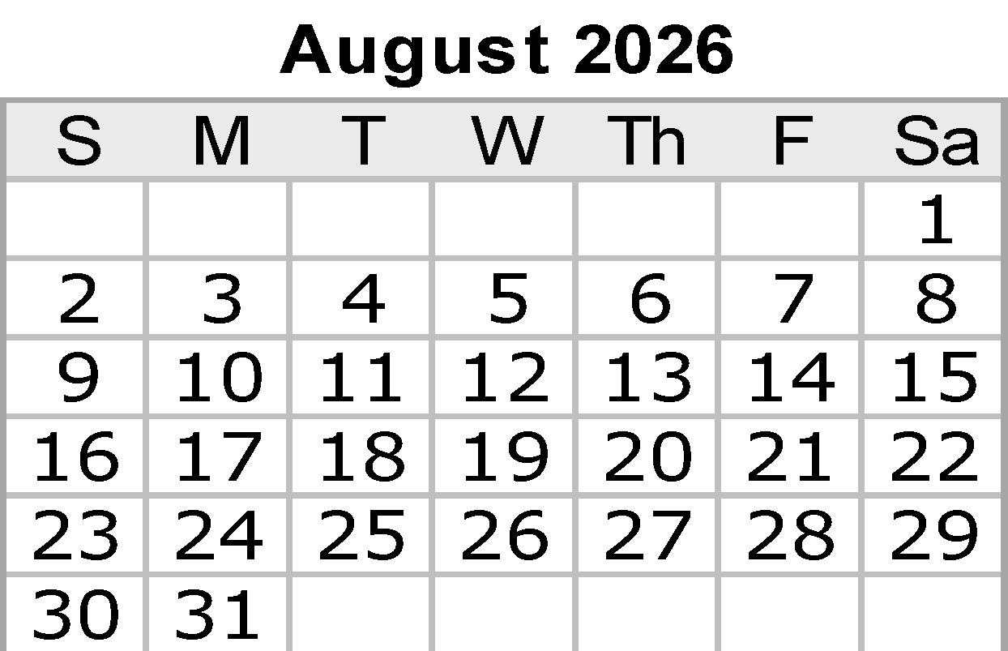
 |  |  |  |  |  |  | Notes:

 |  |  |  |  |  |  |  | © 2022 Vertex42 LLC
 |  |  |  |  |  | {42} | Calendar Template by Vertex42.com
 |  | https://www.vertex42.com/ExcelTemplates/excel-calendar-template.html

Sep
...
2026-09-27 | 2026-09-28 | 2026-09-29 | 2026-09-30

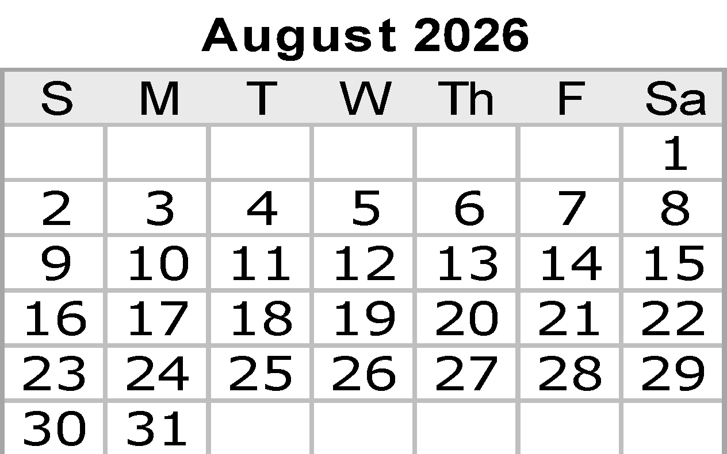
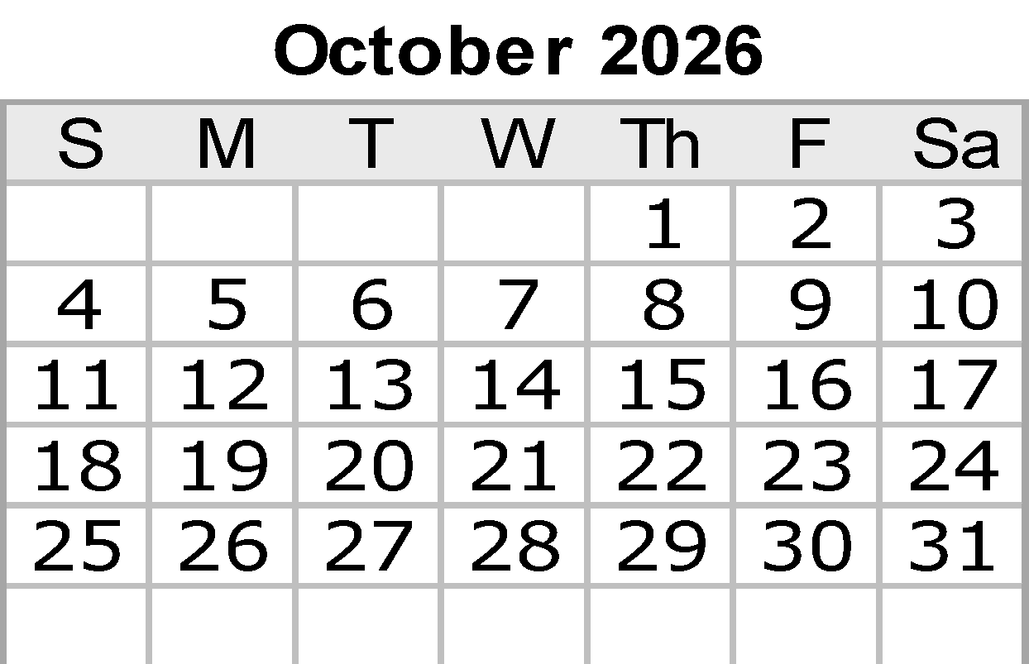
 |  |  |  |  | Notes:

 |  |  |  |  |  | © 2022 Vertex42 LLC
 |  |  |  | {42} | Calendar Template by Vertex42.com
 | https://www.vertex42.com/ExcelTemplates/excel-calendar-template.html

Oct
...
2026-10-26 | 2026-10-27 | 2026-10-28 | 2026-10-29 |  | 2026-10-30 | 2026-10-31 | Halloween

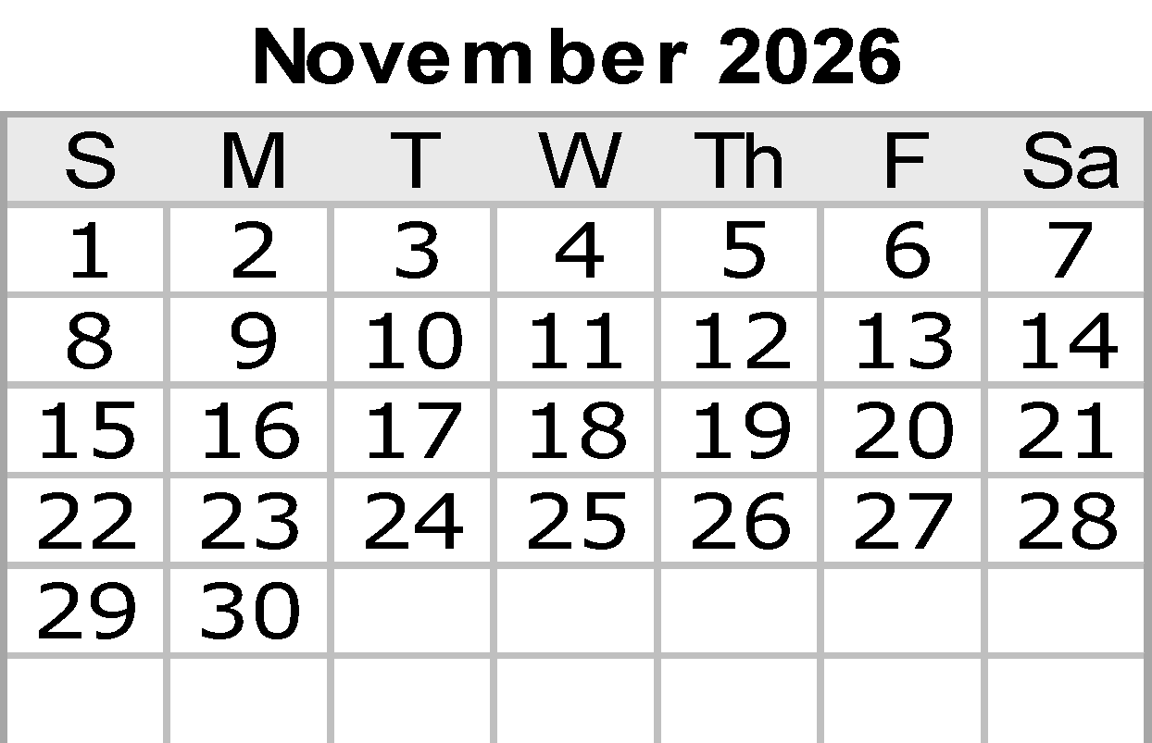
 |  |  |  |  | Notes:

 |  |  |  |  |  | © 2022 Vertex42 LLC
 |  |  |  | {42} | Calendar Template by Vertex42.com
https://www.vertex42.com/ExcelTemplates/excel-calendar-template.html

Dec
...
2026-12-27 | 2026-12-28 | 2026-12-29 | 2026-12-30 | 2026-12-31 | New Year's Eve

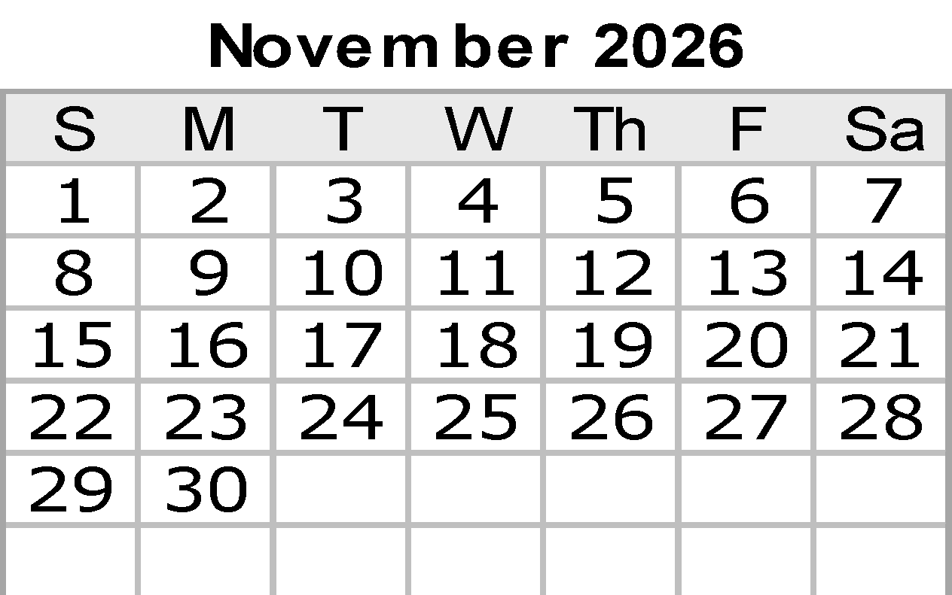
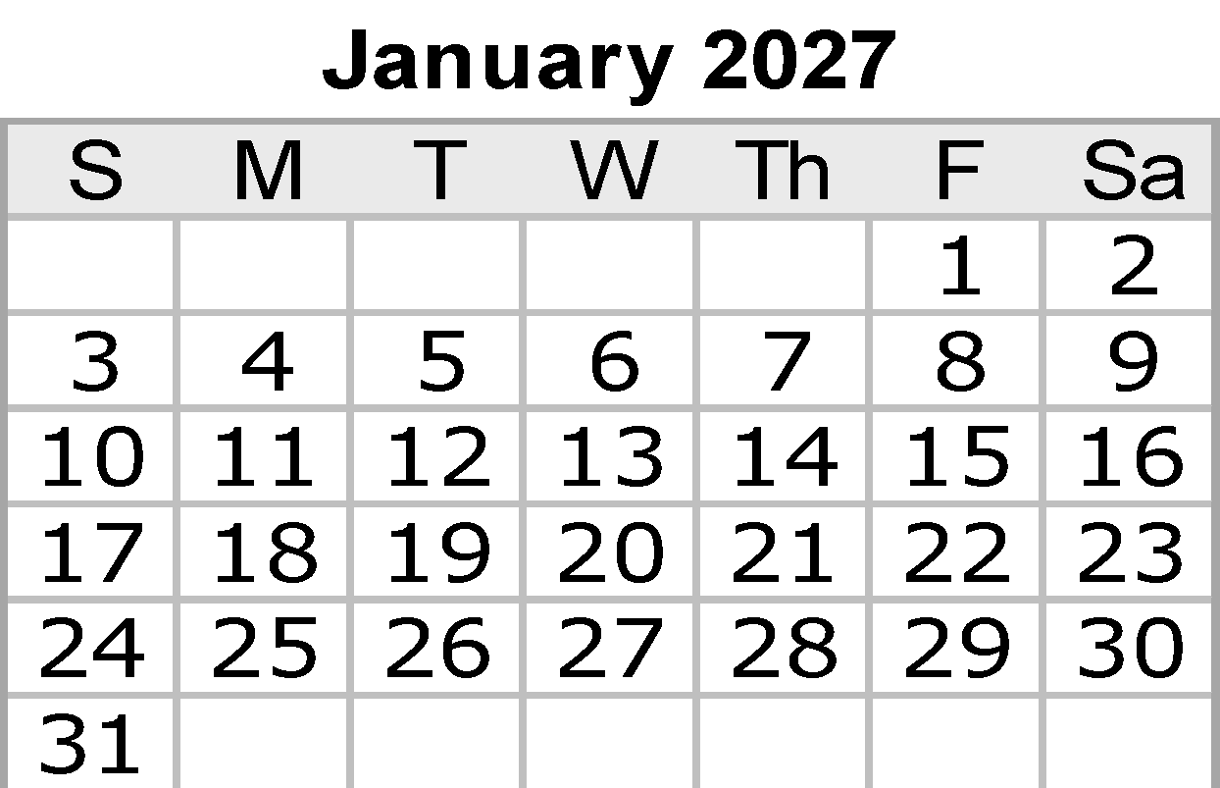
 |  |  |  |  |  | Notes:

 |  |  |  |  |  |  | © 2022 Vertex42 LLC
 |  |  |  |  | {42} | Calendar Template by Vertex42.com
 | https://www.vertex42.com/ExcelTemplates/excel-calendar-template.html

